Results
Structure | Name | SMILES | Status | Electronic Energy (Eh) | Total Enthalpy (Eh) | Entropy Correction (Eh) | Final Gibbs Free Energy (Eh) | Total Run Time | Errors
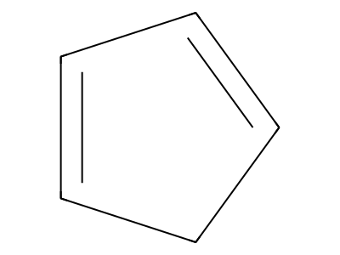 | CPD | C1=CC=CC1 | OK | -193.82953976 | -193.73468469 | -0.03173425 | -193.76641894 | 0 days 0 hours 0 minutes 59 seconds 100 msec

